All Result
Model name | Dataset | Split | pre-processing | Optimizer | num epochs | clip_grad_norm | REAL grad_norm | Backbone | Trainable parameter | Best Results val on multitask | Best Result on first task val | Best Result on second task val | Best Result on third task val | Best Results test on multitask | Best Results on 2 on 3 task | Best Result on first task test | Best Result on second task test | Best Result on third task test | Added Layers | Training procedure

paper_dataset\paper_baseline | classic | paper_split | normalization [0.498, 0.498, 0.498], [0.500, 0.500, 0.500] | Adam lr='0.001' | 6 | NO | NO | efficientnet_b0' | all | TRAIN: Loss 0.16845 Acc: 93.75092 VAL: Loss 0.40620 Acc: 85.58409 |  |  |  |  |  |  |  |  |  | 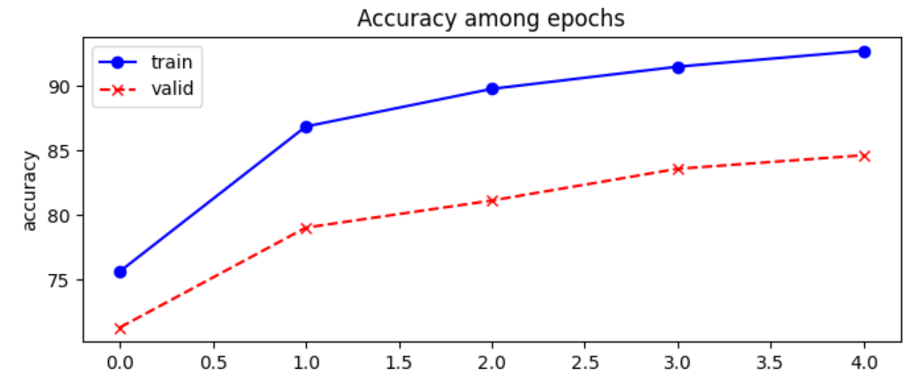 |  |  |  | 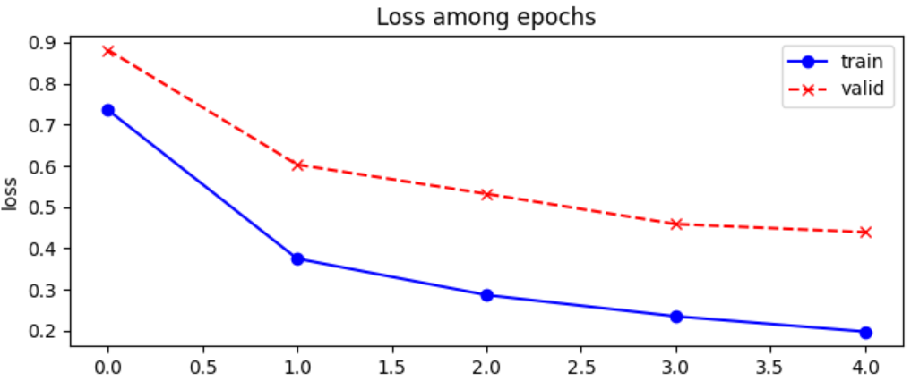

reorganized_dataset\paper_split\paper_baseline | reordered | paper_split | normalization [0.498, 0.498, 0.498], [0.500, 0.500, 0.500] | Adam lr='0.001' | 6 | NO | NO | efficientnet_b0' | all | TRAIN: Loss 0.23616 Acc: 91.44686 VAL: Loss 1.09950 Acc: 67.754471 | Acc: 76.15465 | Acc: 87.56913 | Acc: 95.56076 | Test Acc: 70.4623 | Acc: 90.84546 | Acc: 82.46310 | Acc: 89.08220 | Acc: 86.16558 |  | 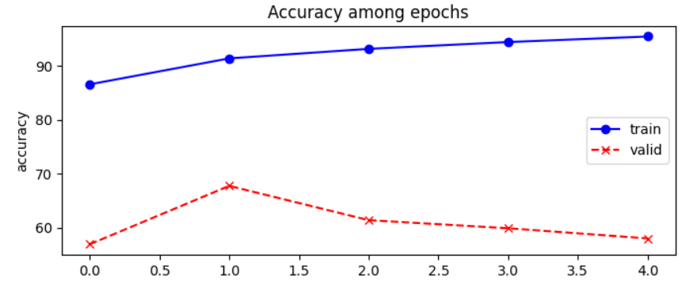 |  |  |  | 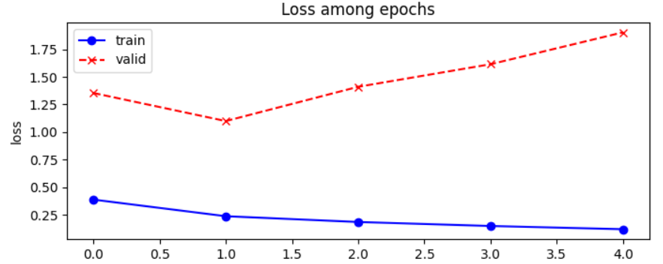

reorganized_dataset\paper_split\multihead\starter_multihead\with_dummy_variables |  |  |  |  |  | NO |  | efficientnet_b0' | all | TRAIN: Loss 0.36406 Acc: 88.42128 VAL: Loss 1.58058 Acc: 58.57206 | Acc: 95.59247 | Acc: 69.82711 | Acc: 82.00382 | Test Acc: 66.5956 | Acc: 90.07135 | Acc: 83.44320 | Acc: 80.58841 | Acc: 88.96097 | 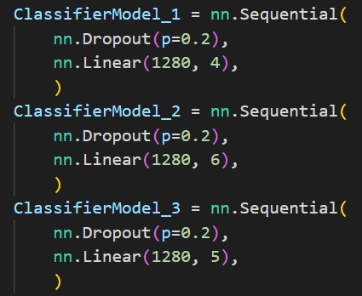 | 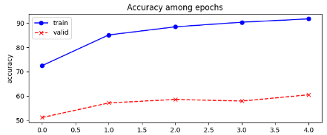 |  |  |  | 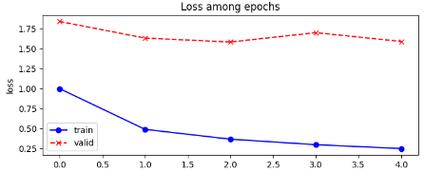

reorganized_dataset\paper_split\multihead\starter_multihead\without_dummy_variables\without_grad_norm |  |  |  |  |  | NO |  | efficientnet_b0' | all | TRAIN: Loss 0.33161 Acc: 90.93415 VAL: Loss 0.96411 Acc: 71.35169 | Acc: 97.42525 | Acc: 80.11559 | Acc: 89.09637 | Test Acc: 67.4988 | Acc: 92.72212 | Acc: 89.31070 | Acc: 77.70892 | Acc: 91.61738 |  | 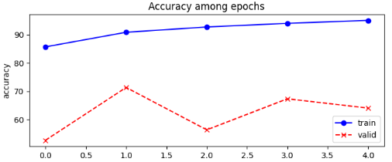 |  |  |  | 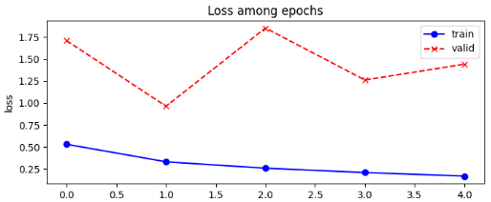

reorganized_dataset\paper_split\multihead\starter_multihead\without_dummy_variables\with_grad_norm |  |  |  |  |  | SI |  | efficientnet_b0' | all | TRAIN: Loss 0.25712 Acc: 92.84204 VAL: Loss 1.34307 Acc: 63.66399 | Acc: 96.71096 | Acc: 72.30332 | Acc: 88.34834 | Test Acc: 69.6823 | Acc: 92.58528 | Acc: 90.90576 | Acc: 77.86335 | Acc: 91.70243 |  | 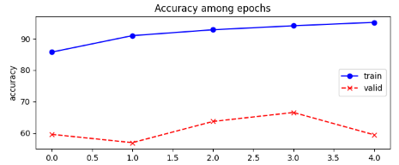 |  |  |  | 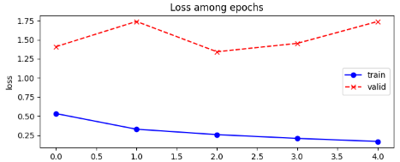

reorganized_dataset\paper_split\multihead\complex_multi_head_model_cami_way\classic_dropout |  |  |  |  |  | SI |  | efficientnet_b0 but with a complex architecture' | training for each single task | Val acc: 61.9800 | Acc: 95.97263 | Acc: 97.99964 | Acc: 96.65711 | Test Acc: 68.5329 | Acc: 90.17300 | Acc: 85.42074 | Acc: 81.45049 | Acc: 87.98979 |  | addestrati sui singoli task |  |  |  | addestrati sui singoli task

reorganized_dataset\paper_split\multihead\complex_multi_head_model_cami_way\more_dropout |  |  |  |  |  | SI |  | efficientnet_b0 but with a complex architecture' | training for each single task | Val acc: 62.1045 | Acc: 95.90388 | Acc: 97.94760 | Acc: 97.35799 | Test Acc: 67.9328 | Acc: 90.70668 | Acc: 85.37191 | Acc: 80.68028 | Acc: 89.45744 | 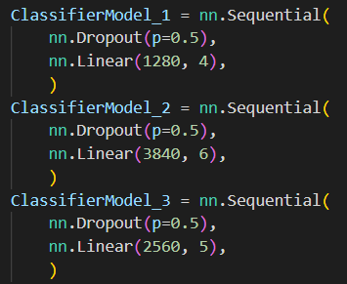 | addestrati sui singoli task |  |  |  | addestrati sui singoli task

reorganized_dataset\paper_split\multihead\complex_multi_head_model_cami_way\history_model |  |  |  |  |  | SI |  | efficientnet_b0 but with a complex architecture' | training for each single task | Val acc: 46.1860 | Acc: 95.90387 | Acc: 81.34430 | Acc: 97.35799 | Test Acc: 53.1346 | Acc: 88.60326 | Acc: 85.77474 | Acc: 63.10820 | Acc: 89.86688 |  | 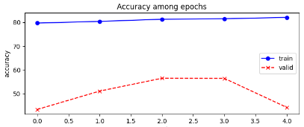 2 task |  |  |  | 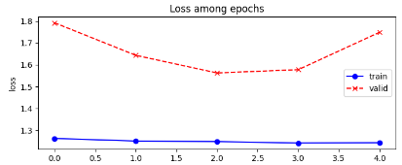 2 task

reorganized_dataset\paper_split\base_model_different_backbone |  |  |  |  |  | SI |  | efficientnet_v2_s' | PARAMETERS: trainable_parameters= tensor(9973190.) untrainable_parameters= tensor(10211984.) total_parameters= tensor(20185174.) |  |  | Acc: 95.27686

reorganized_dataset\paper_split\lstm\all_lstm_training |  |  |  |  |  |  |  | encoder_decoder_structure_with_lstm' | all encoder after all decoder | DA CAPIRE COME VALUTARE I DATI |  |  |  | Test Acc: 66.77

 |  |  |  |  |  |  |  |  |  | MACRO prec 66.46%, recall 74.64%, f1 70.31% MICRO prec 86.41%, recall 86.66%, f1 86.54% Highest f1 score was 0.00% now it is 86.54%

reorganized_dataset\paper_split\single_task_models\second_training (as starter_model) |  |  |  |  |  | SI |  | efficientnet_b0' | not all first and third after second |  | Acc: 96.95719 | Acc: 97.37388 | Acc: 92.76285 |  |  | Acc: 87.4323 | Acc: 80.9637 | Acc: 87.1450

reorganized_dataset\paper_split\single_task_models\third_training |  |  |  |  |  | SI |  | efficientnet_b0' | not all first and third after second |  | Acc: 96.89314 | Acc: 98.38790 | Acc: 96.96596 |  |  | Acc: 86.6074 | Acc: 79.3686 | Acc: 90.8161

reorganized_dataset\split_60_30_10\paper_baseline | reordered | 60_30_10 | normalization [0.498, 0.498, 0.498], [0.500, 0.500, 0.500] | Adam lr='0.001' | 15 | NO | NO | efficientnet_b0' | all | TRAIN: Loss 0.20546 Acc: 92.56119 VAL: Loss 1.03678 Acc: 70.39002 | Acc: 85.63514 | Acc: 86.55738 | Acc: 86.57855 | Test Acc: 70.33240 | Acc: 89.48012 | Acc: 90.62566 | Acc: 83.90705 | Acc: 83.52330 |  | 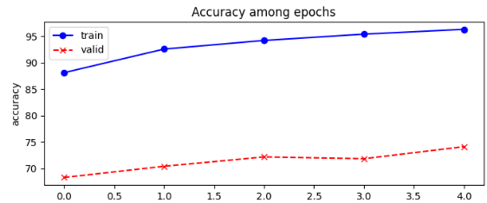 |  |  |  | 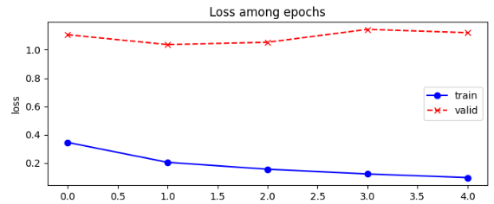

reorganized_dataset\split_60_30_10\paper_baseline_with_gradnorm |  |  |  |  |  | SI |  |  | all | TRAIN: Loss 0.12458 Acc: 95.29486 VAL: Loss 1.02471 Acc: 74.15258 | Acc: 88.58364 | Acc: 87.35969 | Acc: 87.75412 | Test Acc: 70.06892 | Acc: 87.91263 | Acc: 91.36453 | Acc: 82.18302 | Acc: 82.79588 |  | 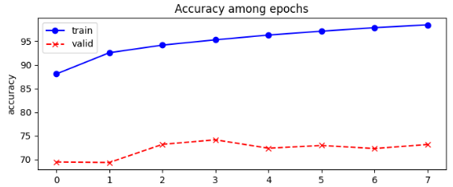 |  |  |  | 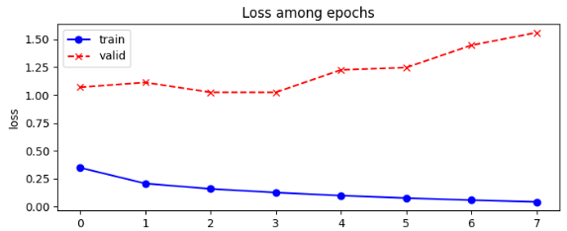

reorganized_dataset\split_60_30_10\starter_multihead\No_dummy\with_grad_norm |  |  |  |  |  | SI |  |  | all | TRAIN: Loss 0.28140 Acc: 92.14219 VAL: Loss 1.23288 Acc: 71.69259 | Acc: 87.07380 | Acc: 88.00913 | Acc: 84.43955 | Test Acc: 70.1911 | Acc: 89.85051 | Acc: 87.12066 | Acc: 90.79558 | Acc: 84.14968 |  | 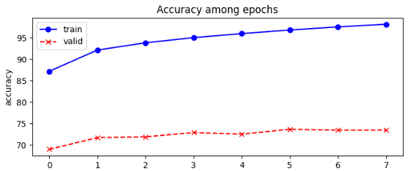 |  |  |  | 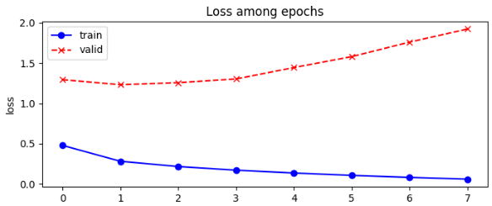

reorganized_dataset\split_60_30_10\starter_multihead\No_dummy\with_grad_norm_more_dropout |  |  |  |  |  | SI |  |  | all | TRAIN: Loss 0.28959 Acc: 92.019973 VAL: Loss 1.16922 Acc: 72.09879 | Acc: 87.14370 | Acc: 86.97970 | Acc: 85.87263 | Test Acc: 66.9912 | Acc: 87.76944 | Acc: 86.85200 | Acc: 90.13116 | Acc: 81.50797 | 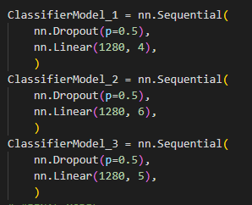 | 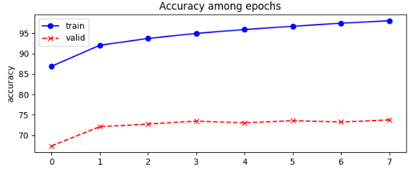 |  |  |  | 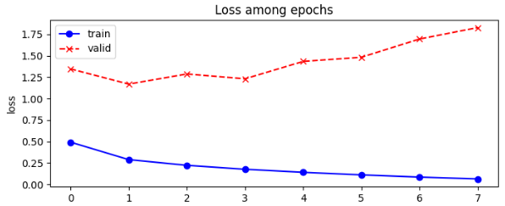

reorganized_dataset\split_60_30_10\15_epochs\multihead\starter_multihead\No_dummy\without_grad_norm |  |  |  |  |  | NO |  |  | all | TRAIN: Loss 0.28376 Acc: 92.09280 VAL: Loss 1.23045 Acc: 71.71847 | Acc: 86.94712 | Acc: 87.49240 | Acc: 85.43589 | Test Acc: 66.8270 | Acc: 87.80190 | Acc: 85.42694 | Acc: 90.97505 | Acc: 81.91630 |  | 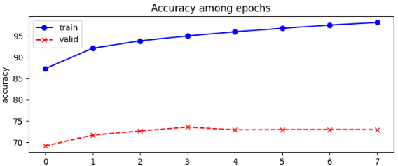 |  |  |  | 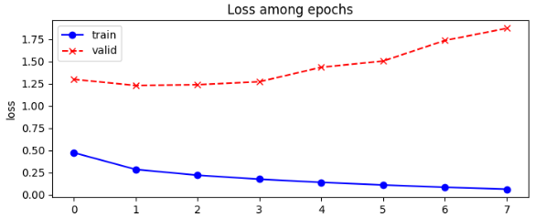

reorganized_dataset\split_60_30_10\15_epochs\multihead\multihead_rivisited_with_grad_norm_as_artificial |  |  |  |  |  | SI |  |  | all | TRAIN: Loss 0.25731 Acc: 91.61808 VAL: Loss 1.17766 Acc: 71.04220 | Acc: 81.47183 | Acc: 86.55100 | Acc: 84.52331 | Test Acc: 67.3750 | Acc: 84.67839 | Acc: 80.32239 | Acc: 88.44531 | Acc: 83.02245 | 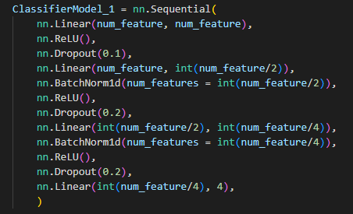 | 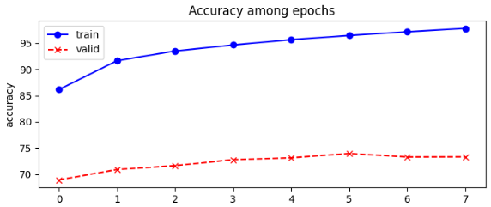 |  |  |  | 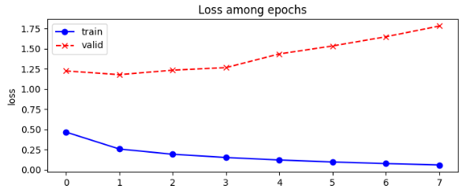

reorganized_dataset\split_60_30_10\15_epochs\multihead\multihead_rivisited_with_grad_norm\first_training |  |  |  |  |  | SI |  |  | all | TRAIN: Loss Acc: VAL: Loss Acc: 71.7208 | Acc: 81.37791 | Acc: 87.72624 | Acc: 85.32062 | Test Acc: 67.7721 | Acc: 85.36762 | Acc: 81.48581 | Acc: 91.03996 | Acc: 82.72722

reorganized_dataset\split_60_30_10\15_epochs\multihead\multihead_rivisited_with_grad_norm\second_successive_training |  |  |  |  |  | SI |  |  | first all, after | TRAIN: Loss 0.16080 Acc: 94.29838 VAL: Loss 1.23912 Acc: 71.61163 | Acc: 83.67789 | Acc: 86.74083 | Acc: 85.69354 | Test Acc: 69.0208 | Acc: 92.40697 | Acc: 83.82198 | Acc: 91.63755 | Acc: 82.49717 | 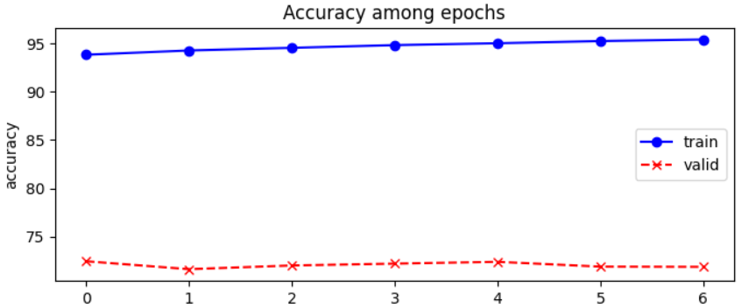 |  |  |  |  | 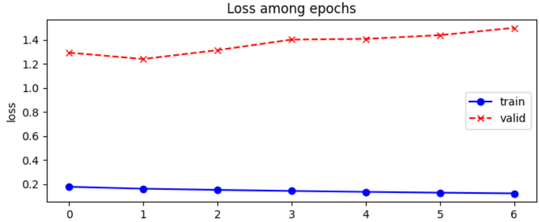
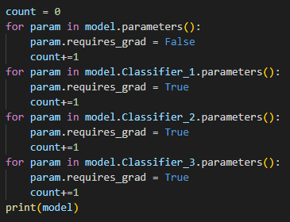

reorganized_dataset\split_60_30_10\15_epochs\multihead\starter_multihead\No_dummy\with_grad_norm\balanced_training (flatten 0) |  |  |  |  |  | SI |  |  | all | TRAIN: Loss 0.07052 Acc: 97.93890 VAL: Loss 2.44007 Acc: 68.19445 | Acc: 77.25138 | Acc: 87.42251 | Acc: 85.81839 | Test Acc: 65.9163 | Acc: 90.87386 | Acc: 78.92770 | Acc: 91.90484 | Acc: 81.71309 | 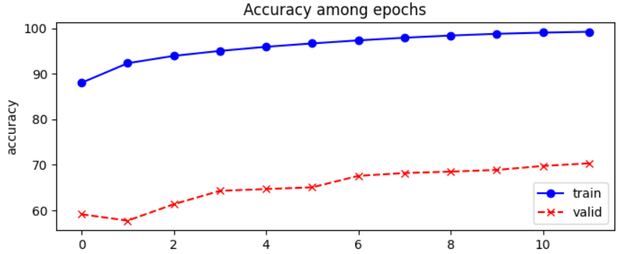 |  |  |  |  | 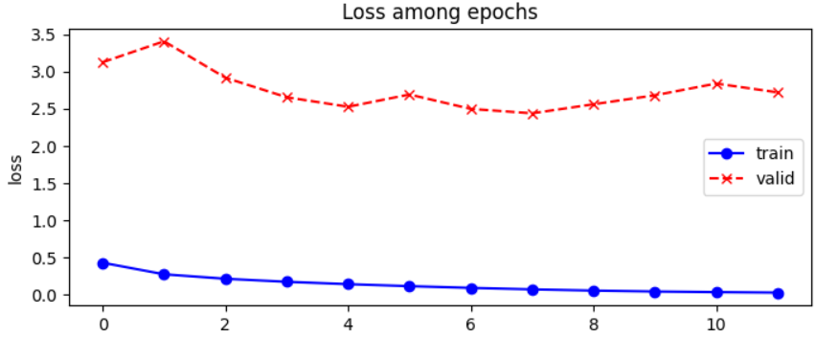

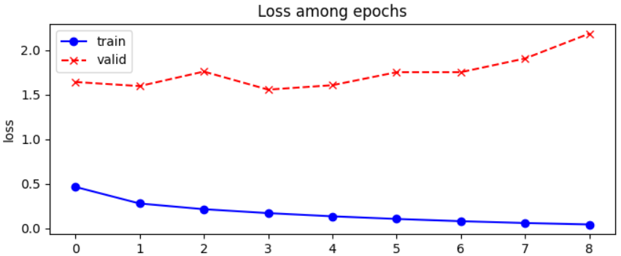
reorganized_dataset\split_60_30_10\15_epochs\multihead\starter_multihead\No_dummy\with_grad_norm\balanced_training (flatten 0,5) |  |  |  |  |  | SI |  |  | all | TRAIN: Loss 0.17235 Acc: 95.02315 VAL: Loss 1.55737 Acc: 71.36872 | Acc: 84.16279 | Acc: 87.22597 | Acc: 85.85029 | Test Acc: 69.2670 | Acc: 94.04891 | Acc: 85.25873 | Acc: 91.15261 | Acc: 83.87363 | 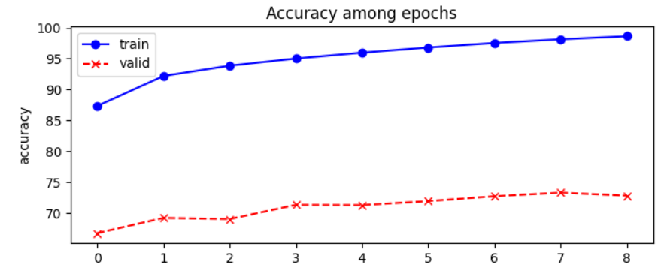

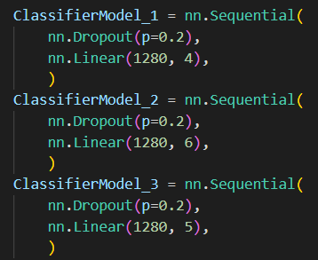
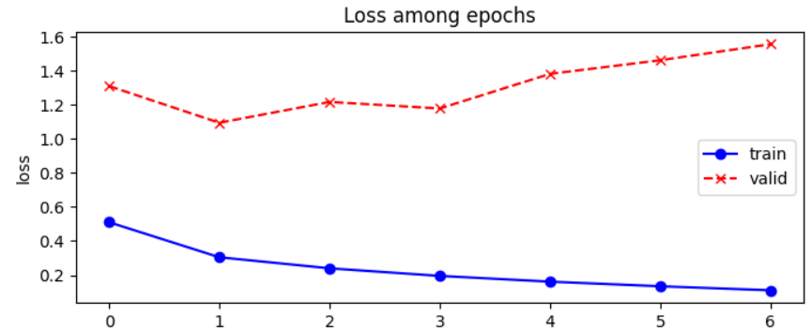
reorganized_dataset\split_60_30_10\15_epochs\multihead\starter_multihead\No_dummy\with_grad_norm\con_augumentation\not_balanced |  |  | same normalation, with or-filp: 0.5, brightness, contrast and saturation: 0.8,1.2 |  |  | SI |  |  | all | TRAIN: Loss 0.30471 Acc: 91.56013 VAL: Loss 1.09493 Acc: 72.53522 | Acc: 87.23544 | Acc: 87.64191 | Acc: 86.20527 | Test Acc: 68.9539 | Acc: 92.70863 | Acc: 85.17463 | Acc: 90.61993 | Acc: 82.82499 |  | 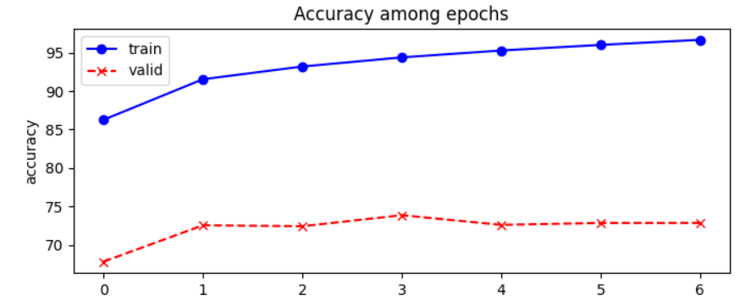

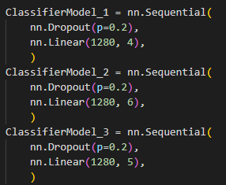
reorganized_dataset\split_60_30_10\15_epochs\multihead\starter_multihead\No_dummy\with_grad_norm\con_augumentation\balanced_0_5 |  |  | same normalation, with or-filp: 0.5, brightness, contrast and saturation: 0.8,1.2 |  |  | SI |  |  | all | TRAIN: Loss 0.16063 Acc: 95.31890 VAL: Loss 1.50634 Acc: 71.89586 |  |  |  |  |  |  |  |  |  |  |  |  |  | 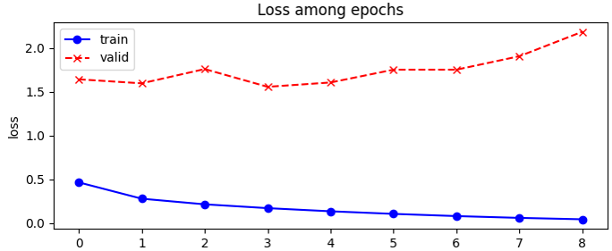

 |  |  |  |  |  |  |  |  |  |  |  |  |  |  |  |  |  |  |  | Acc: 85.63514 | Acc: 86.55738 | Acc: 86.57855 | Test Acc: 70.33240 | Acc: 89.48012 | Acc: 90.62566 | Acc: 83.90705 | Acc: 83.52330

 |  |  |  |  |  |  |  |  |  |  |  | #ERROR!

 |  |  |  |  |  |  |  |  |  |  |  |  |  |  |  |  |  |  |  | Acc: 88.58364 | Acc: 87.35969 | Acc: 87.75412 | Test Acc: 70.06892 | Acc: 87.91263 | Acc: 91.36453 | Acc: 82.18302 | Acc: 82.79588

 |  |  |  |  |  |  |  |  |  |  |  |  |  |  |  |  |  |  |  | Acc: 87.07380 | Acc: 88.00913 | Acc: 84.43955 | Test Acc: 70.1911 | Acc: 94.58350 | Acc: 87.12066 | Acc: 90.79558 | Acc: 84.14968

 |  |  |  |  |  |  |  |  |  |  |  |  |  |  |  |  |  |  |  | Acc: 87.14370 | Acc: 86.97970 | Acc: 85.87263 | Test Acc: 66.9912 | Acc: 94.21693 | Acc: 86.85200 | Acc: 90.13116 | Acc: 81.50797

 |  |  |  |  |  |  |  |  |  |  |  |  |  |  |  |  |  |  |  | Acc: 86.94712 | Acc: 87.49240 | Acc: 85.43589 | Test Acc: 66.8270 | Acc: 94.56823 | Acc: 85.42694 | Acc: 90.97505 | Acc: 81.91630

 |  |  |  |  |  |  |  |  |  |  |  |  |  |  |  |  |  |  |  | Acc: 81.47183 | Acc: 86.55100 | Acc: 84.52331 | Test Acc: 67.3750 | Acc: 89.728316 | Acc: 80.32239 | Acc: 88.44531 | Acc: 83.02245

 |  |  |  |  |  |  |  |  |  |  |  |  |  |  |  |  |  |  |  | Acc: 83.67789 | Acc: 86.74083 | Acc: 85.69354 | Test Acc: 69.0208 | Acc: 92.40697 | Acc: 83.82198 | Acc: 91.63755 | Acc: 82.49717

 |  |  |  |  |  |  |  |  |  |  |  |  |  |  |  |  |  |  |  | Acc: 77.25138 | Acc: 87.42251 | Acc: 85.81839 | Test Acc: 65.9163 | Acc: 90.87386 | Acc: 78.92770 | Acc: 91.90484 | Acc: 81.71309

 |  |  |  |  |  |  |  |  |  |  |  |  |  |  |  |  |  |  |  | Acc: 84.16279 | Acc: 87.22597 | Acc: 85.85029 | Test Acc: 69.2670 | Acc: 94.04891 | Acc: 85.25873 | Acc: 91.15261 | Acc: 83.87363

 |  |  |  |  |  |  |  |  |  |  |  |  |  |  |  |  |  |  |  | Acc: 87.23544 | Acc: 87.64191 | Acc: 86.20527 | Test Acc: 68.9539 | Acc: 92.70863 | Acc: 85.17463 | Acc: 90.61993 | Acc: 82.82499

 |  |  |  |  |  |  |  |  |  |  |  |  |  |  |  |  |  |  |  | Acc: 84.16278 | Acc: 87.22597 | Acc: 85.85029 | Test Acc: 69.2670 | Acc: 94.04891 | Acc: 85.25873 | Acc: 91.15260 | Acc: 83.87362

